Wechat
wx.chooseImage | wx.chooseImage({ count: 1, sizeType: ['original', 'compressed'], sourceType: ['album', 'camera'], success (res) { wx.getSetting({ success(res){ console.log(res) } }) } }) | authSetting: {scope.address: true, scope.invoice: true, scope.invoiceTitle: true, scope.userInfo: true} errMsg: "getSetting:ok" | 
chooseMedia | wx.chooseMedia({ count: 9, mediaType: ['image','video'], sourceType: ['album', 'camera'], maxDuration: 30, camera: 'back', success(res) { wx.getSetting({ success(res){ console.log(res) } }) } }) | authSetting: {scope.address: true, scope.invoice: true, scope.invoiceTitle: true, scope.userInfo: true} errMsg: "getSetting:ok" |  | 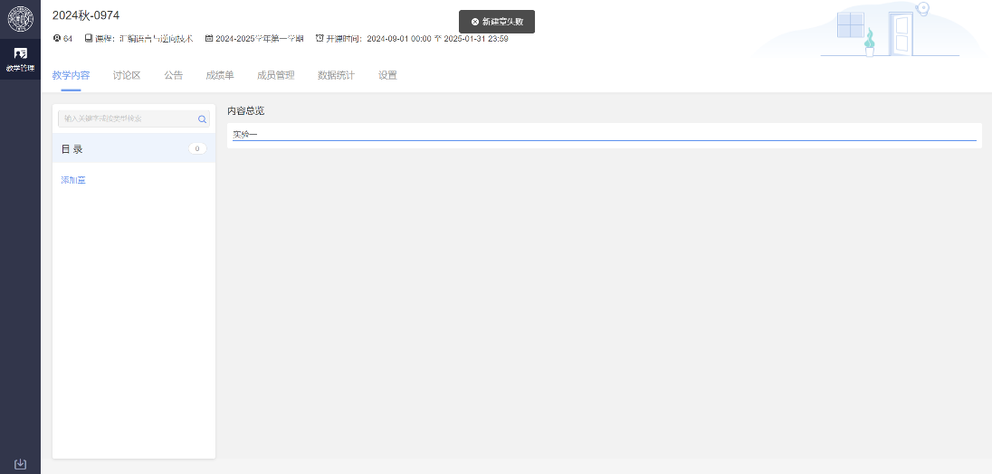
getClipboardData | wx.getClipboardData({ success (res){ wx.getSetting({ success(res){ console.log(res) } }) } }) | authSetting: {scope.address: true, scope.invoice: true, scope.invoiceTitle: true, scope.userInfo: true} errMsg: "getSetting:ok" | 
scanCode | // 允许从相机和相册扫码 wx.scanCode({ success (res) { wx.getSetting({ success(res){ console.log(res) } }) } }) | authSetting: {scope.address: true, scope.invoice: true, scope.invoiceTitle: true, scope.userInfo: true} errMsg: "getSetting:ok" | 
chooseVideo | wx.chooseVideo({ sourceType: ['album','camera'], maxDuration: 60, camera: 'back', success(res) { wx.getSetting({ success(res){ console.log(res) } }) } }) | authSetting: {scope.address: true, scope.invoice: true, scope.invoiceTitle: true, scope.userInfo: true} errMsg: "getSetting:ok" | 
chooseContact | wx.chooseContact({ success: (res) => { this.setData({ contactInfo: res }); console.log('Contact selected:', res); // 调用 getSetting 获取权限设置 wx.getSetting({ success: (settings) => { console.log('Current settings:', settings); // 这里可以根据返回的权限设置来判断是否有相关权限 if (settings.authSetting['scope.addressBook']) { console.log('AddressBook permission is granted.'); } else { console.log('AddressBook permission is denied.'); } } }); }, fail: (err) => { console.error('Failed to choose contact:', err); } }); | authSetting: {scope.address: true, scope.invoice: true, scope.invoiceTitle: true, scope.userInfo: true} errMsg: "getSetting:ok" | 
getUserProfile | wx.getUserProfile({ desc: '用于完善会员资料', // 用途描述 success: (res) => { // 获取用户信息成功，设置到 data 中 this.setData({ userInfo: res.userInfo, hasUserInfo: true, }); // 获取当前设置权限 wx.getSetting({ success: (settingRes) => { console.log('当前权限设置:', settingRes); if (settingRes.authSetting['scope.userInfo']) { console.log('已授权获取用户信息'); } else { console.log('未授权获取用户信息'); } }, fail: (err) => { console.error('获取设置失败:', err); } }); }, fail: (err) => { console.error('获取用户信息失败:', err); }, }); | authSetting: {scope.address: true, scope.invoice: true, scope.invoiceTitle: true, scope.userInfo: true} errMsg: "getSetting:ok" | 
getUserInfo | wx.getUserInfo({ success(res) { wx.getSetting({ success(res){ console.log(res) } }) } }) | authSetting: {scope.address: true, scope.invoice: true, scope.invoiceTitle: true, scope.userInfo: true} errMsg: "getSetting:ok" | 
wx.startBeaconDiscovery | wx.startBeaconDiscovery({ success: (res) => { this.setData({ isBeaconDiscoveryStarted: true }); console.log('Beacon discovery started:', res); // 调用 getSetting 获取权限设置 wx.getSetting({ success: (settings) => { console.log('Current settings:', settings); // 这里可以根据返回的权限设置来判断是否有相关权限 if (settings.authSetting['scope.location']) { console.log('Location permission is granted.'); } else { console.log('Location permission is denied.'); } } }); }, fail: (err) => { console.error('Failed to start beacon discovery:', err); } }); }, | authSetting: {scope.address: true, scope.invoice: true, scope.invoiceTitle: true, scope.userInfo: true} errMsg: "getSetting:ok" | 
wx.getBeacons | wx.getBeacons({ success: (res) => { this.setData({ beacons: res.beacons }); console.log('Beacons found:', res.beacons); // 调用 getSetting 获取权限设置 wx.getSetting({ success: (settings) => { console.log('Current settings:', settings); // 这里可以根据返回的权限设置来判断是否有相关权限 if (settings.authSetting['scope.location']) { console.log('Location permission is granted.'); } else { console.log('Location permission is denied.'); } } }); }, fail: (err) => { console.error('Failed to get beacons:', err); } }); | authSetting: {scope.address: true, scope.invoice: true, scope.invoiceTitle: true, scope.userInfo: true} errMsg: "getSetting:ok" | 
getFuzzyLocation | wx.getFuzzyLocation({ type: 'wgs84', success (res) { const latitude = res.latitude const longitude = res.longitude } })
startLocationUpdateBackground

QQ
qq.chooseImage | qq.chooseImage({ success: (res) => { // 获取选中的图片路径 this.setData({ imagePath: res.tempFilePaths[0] }); console.log('Image selected:', res.tempFilePaths[0]); // 调用 qq.getSetting 获取权限设置 qq.getSetting({ success: (settings) => { console.log('Current settings:', settings); // 判断是否授权了相册权限 if (settings.authSetting['scope.writePhotosAlbum']) { console.log('Photo album write permission is granted.'); } else { console.log('Photo album write permission is denied.'); } } }); }, fail: (err) => { console.error('Failed to choose image:', err); } }); | authSetting: {scope.chooseImage: true} errMsg: "getSetting:ok" | 
qq.chooseMedia | qq.chooseMedia({ count: 1, // 最多选择1个文件 mediaType: ['image', 'video'], // 可以选择图片和视频 success: (res) => { // 获取选中的多媒体文件信息 this.setData({ mediaInfo: res.tempFiles[0] // 获取文件路径 }); console.log('Media selected:', res.tempFiles[0]); // 调用 qq.getSetting 获取权限设置 qq.getSetting({ success: (settings) => { console.log('Current settings:', settings); // 判断是否授权了相册或视频权限 if (settings.authSetting['scope.camera']) { console.log('Camera permission is granted.'); } else { console.log('Camera permission is denied.'); } if (settings.authSetting['scope.writePhotosAlbum']) { console.log('Photo album write permission is granted.'); } else { console.log('Photo album write permission is denied.'); } } }); | authSetting: {scope.chooseMedia: true, scope.chooseVideo: false} errMsg: "getSetting:ok" | 
qq.scanCode | qq.scanCode({ success: (res) => { // 获取扫描的结果 this.setData({ scanResult: res.result // 扫描到的二维码或条形码的结果 }); console.log('Scan result:', res.result); // 调用 qq.getSetting 获取权限设置 qq.getSetting({ success: (settings) => { console.log('Current settings:', settings); // 判断是否授权了相机权限 if (settings.authSetting['scope.camera']) { console.log('Camera permission is granted.'); } else { console.log('Camera permission is denied.'); } } }); }, fail: (err) => { console.error('Failed to scan code:', err); } }); | authSetting: {scope.chooseMedia: false, scope.chooseVideo: false} errMsg: "getSetting:ok" | 
qq.chooseVideo | qq.chooseVideo({ sourceType: ['album', 'camera'], // 可选择从相册或相机获取视频 maxDuration: 60, // 设置最大视频时长，单位为秒 success: (res) => { // 获取选中的视频路径和时长 this.setData({ videoPath: res.tempFilePath, videoDuration: res.duration }); console.log('Video selected:', res.tempFilePath); console.log('Video duration:', res.duration); // 调用 qq.getSetting 获取权限设置 qq.getSetting({ success: (settings) => { console.log('Current settings:', settings); // 判断是否授权了相机和相册权限 if (settings.authSetting['scope.camera']) { console.log('Camera permission is granted.'); } else { console.log('Camera permission is denied.'); } if (settings.authSetting['scope.writePhotosAlbum']) { console.log('Photo album write permission is granted.'); } else { console.log('Photo album write permission is denied.'); } } }); }, fail: (err) => { console.error('Failed to choose video:', err); } }); | authSetting: {scope.chooseMedia: false, scope.chooseVideo: true} errMsg: "getSetting:ok" | 
qq.makeMedia | qq.makeMedia({ mediaType: ['video'], maxDuration: 30, camera: 'back', success: (res) => { qq.getSetting({ success: (settings) => { console.log('Current settings:', settings); // 判断是否授权了地址权限 if (settings.authSetting['scope.address']) { console.log('Address permission is granted.'); } else { console.log('Address permission is denied.'); } } }); }, fail: (err) => { console.error('Failed to choose address:', err); } }); | authSetting: {scope.chooseVideo: false, scope.address: false, scope.chooseMedia: false, scope.makeMedia: true} errMsg: "getSetting:ok" | 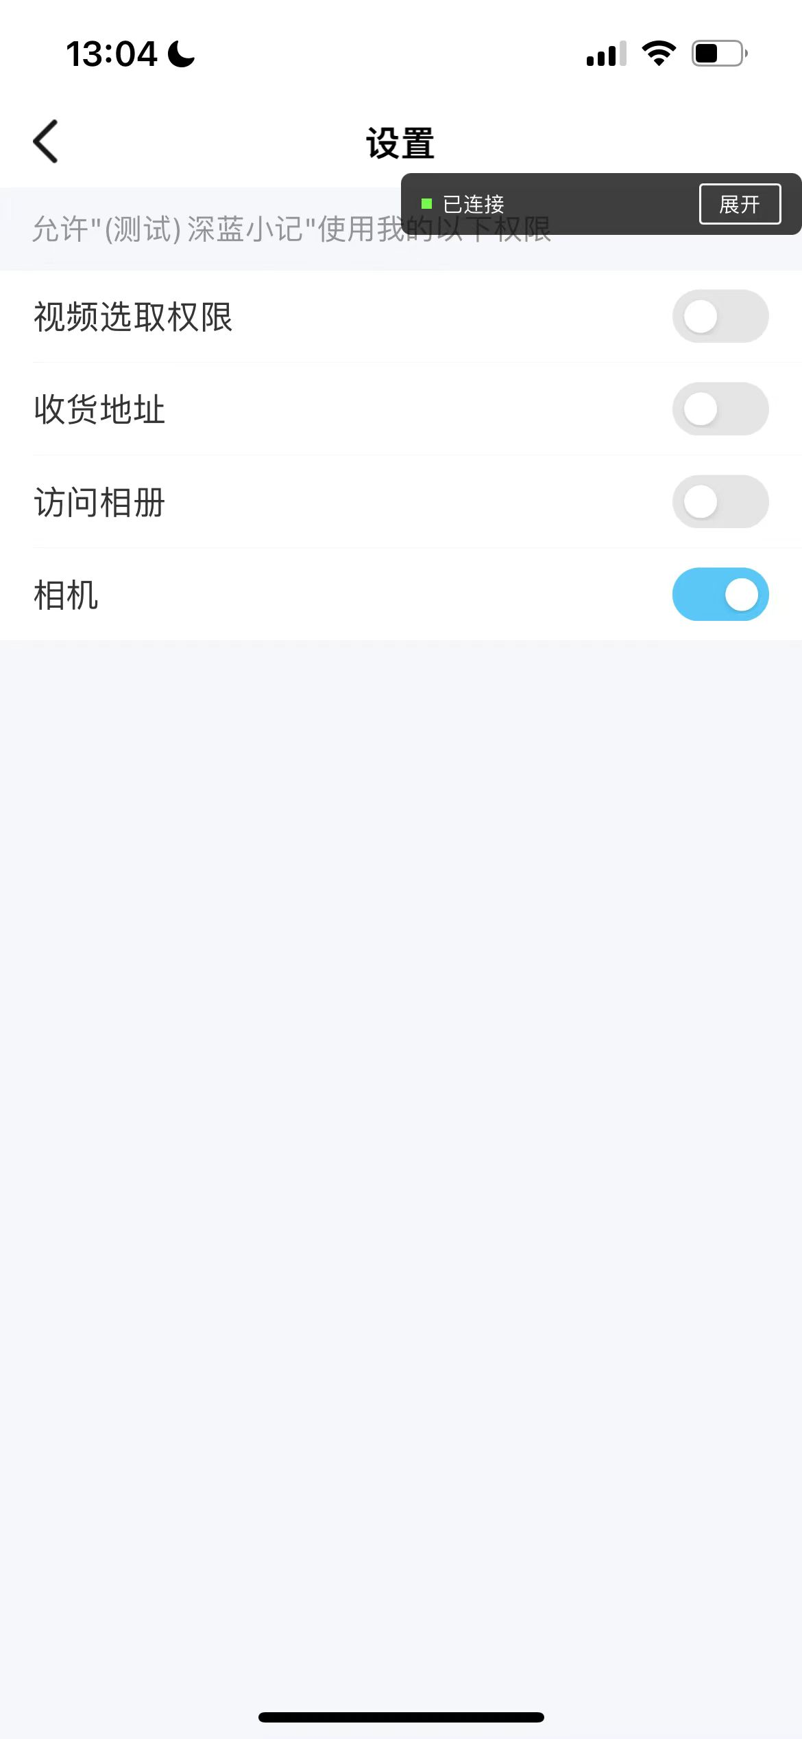
qq.chooseAddress | qq.chooseAddress({ success: (res) => { // 获取选中的收货地址信息 this.setData({ address: res }); console.log('Address selected:', res); // 调用 qq.getSetting 获取权限设置 qq.getSetting({ success: (settings) => { console.log('Current settings:', settings); // 判断是否授权了地址权限 if (settings.authSetting['scope.address']) { console.log('Address permission is granted.'); } else { console.log('Address permission is denied.'); } } }); }, fail: (err) => { console.error('Failed to choose address:', err); } }); | authSetting: {scope.chooseMedia: false, scope.address: true, scope.chooseVideo: false} errMsg: "getSetting:ok" | 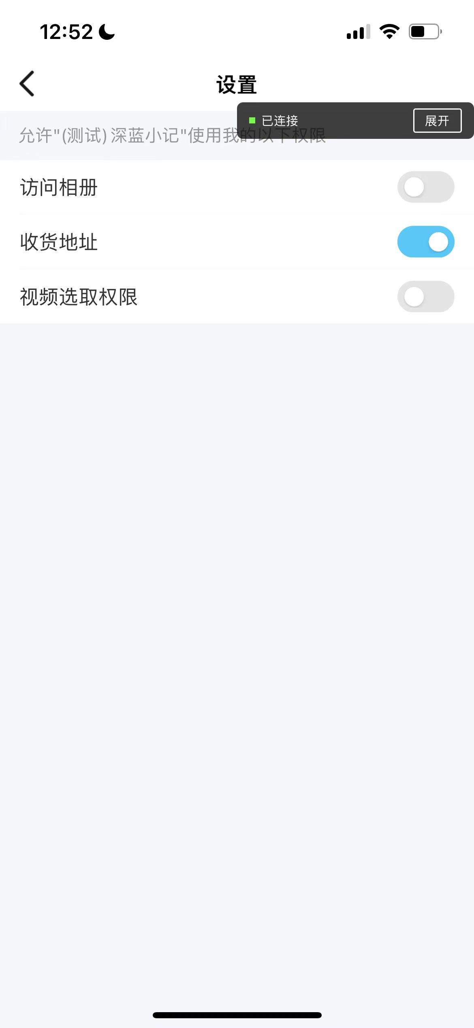 | 无请求弹窗
qq.addRecentColorSign | qq.addRecentColorSign({ color: color, success: (res) => { console.log('Color sign added:', color); this.setData({ colorSign: color }); // 调用 qq.getSetting 获取权限设置 qq.getSetting({ success: (settings) => { console.log('Current settings:', settings); // 判断是否授权了相关权限（例如存储权限） if (settings.authSetting['scope.writePhotosAlbum']) { console.log('Photo album write permission is granted.'); } else { console.log('Photo album write permission is denied.'); } } }); }, fail: (err) => { console.error('Failed to add color sign:', err); } }); | authSetting: {scope.address: false, scope.chooseVideo: false, scope.recentColorSign: true, scope.chooseMedia: false, scope.makeMedia: false} errMsg: "getSetting:ok" | 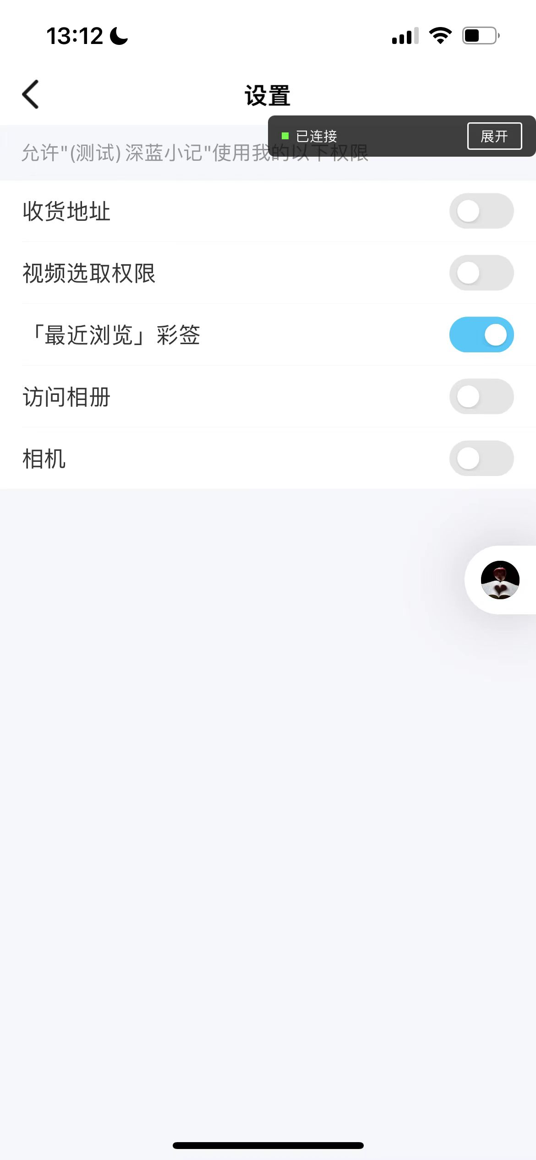
qq.subscribeAppMsg | qq.subscribeAppMsg({ success(res) { console.log("----subscribeAppMsg----success", res); // 调用 qq.getSetting 获取权限设置 qq.getSetting({ subscribe: true, success: (settings) => { console.log('Current settings:', settings); // 判断是否授权了订阅消息权限 if (settings.authSetting['scope.subscribeMessage']) { console.log('Subscribe message permission is granted.'); } else { console.log('Subscribe message permission is denied.'); } } }); }, fail(err) { console.error('Subscription failed:', err); this.setData({ subscriptionStatus: 'Subscription failed' }); } }); | authSetting: {scope.address: false, setting.appMsgSubscribed: true, scope.chooseVideo: false, scope.recentColorSign: false, scope.chooseMedia: false, …} errMsg: "getSetting:ok" | 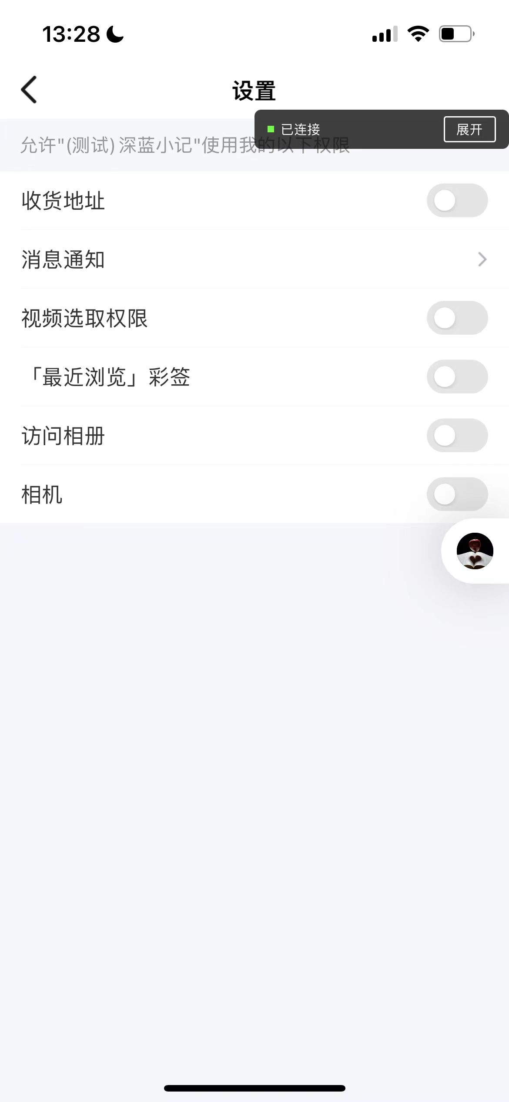 | 
qq.addfriend

